SCRIPT
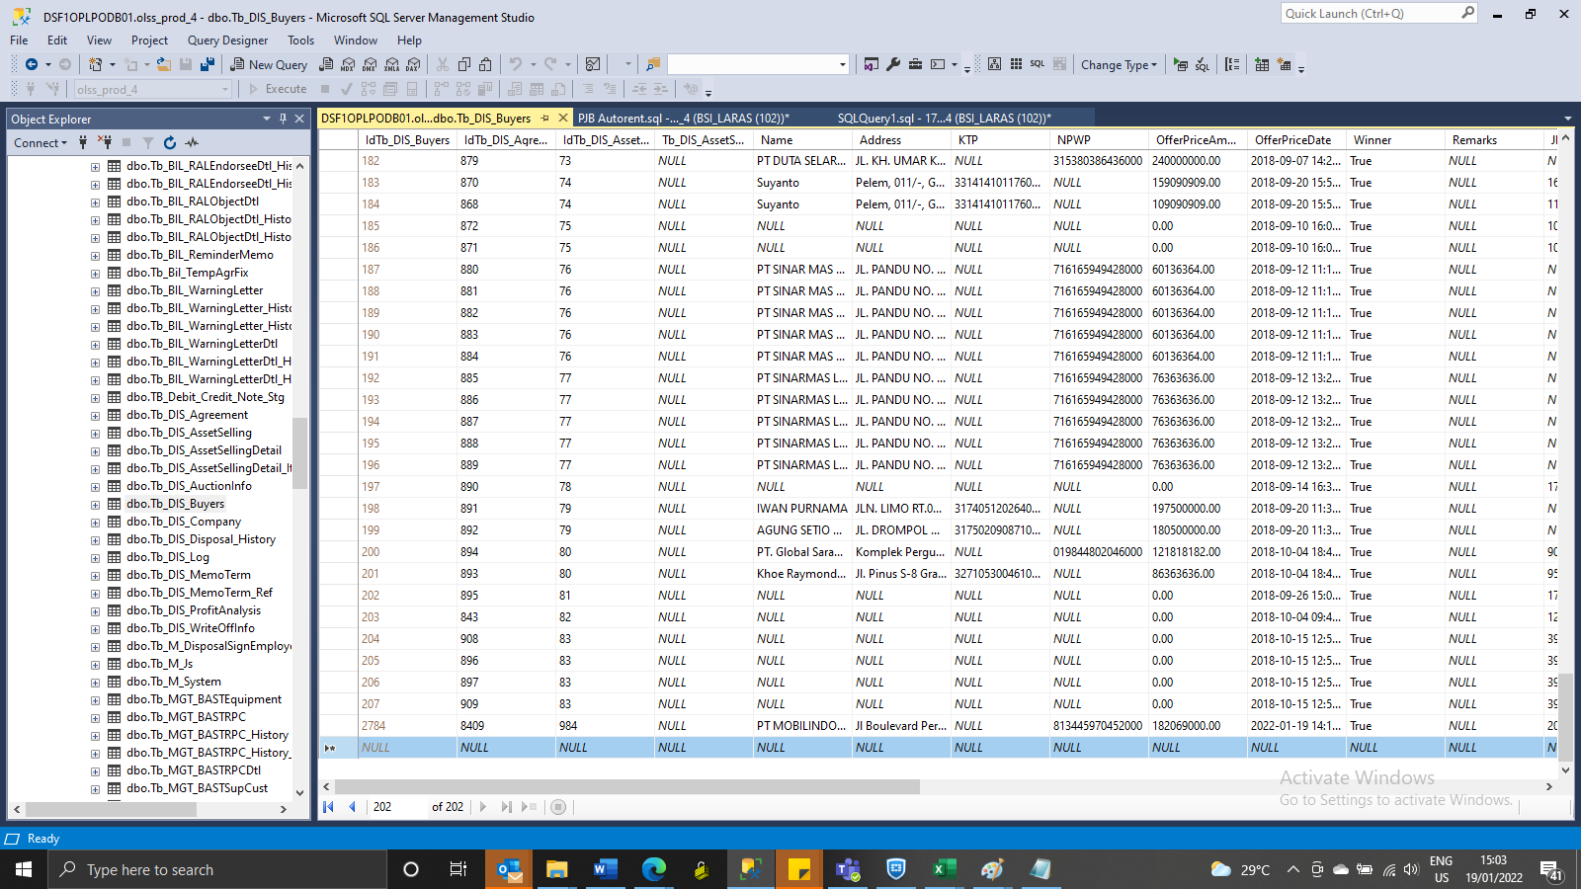
INSERT TB_DIS_BUYERS

SCREENSHOOT
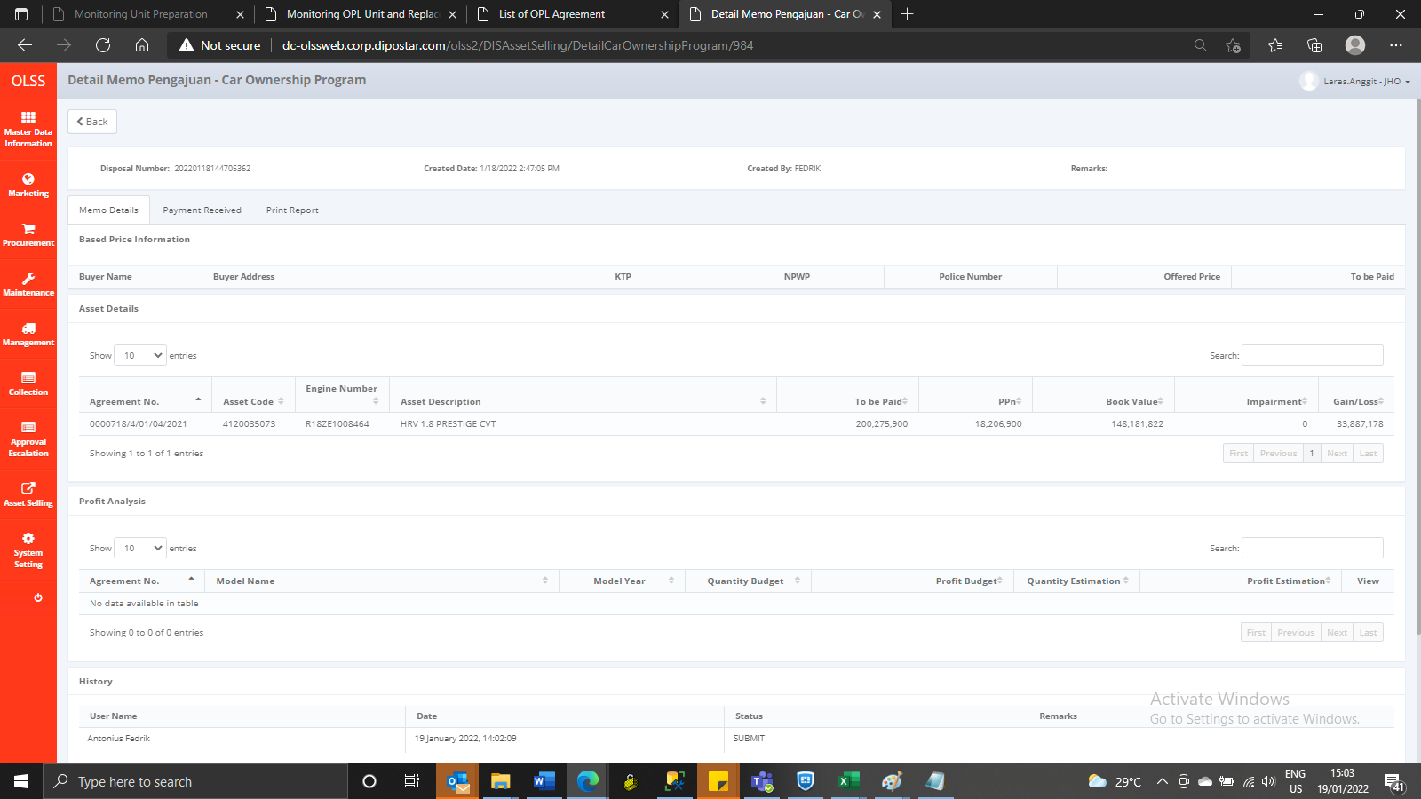
MEMO 00015/COP/01/2022
Before
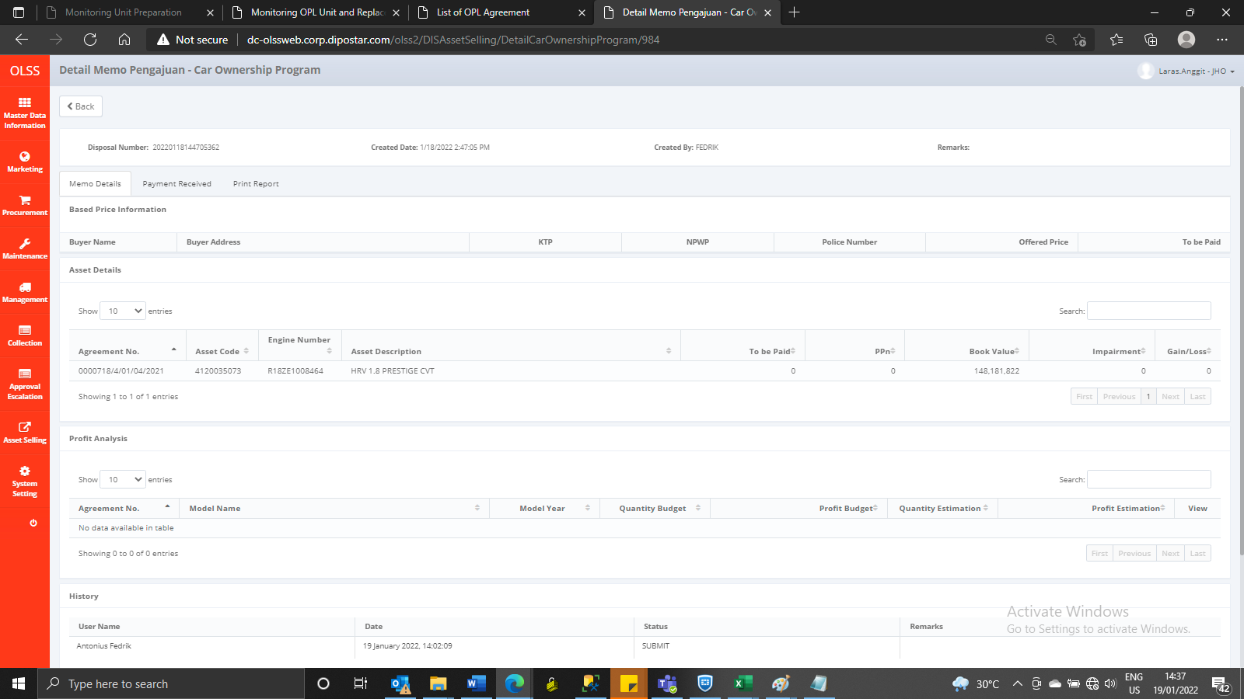

AFTER

